Dashboard
Hub Mileage Comparison Jan 2024 to Jan 2025

 | # of Hubs
Jan-24 | 15
Jan-25 | 50
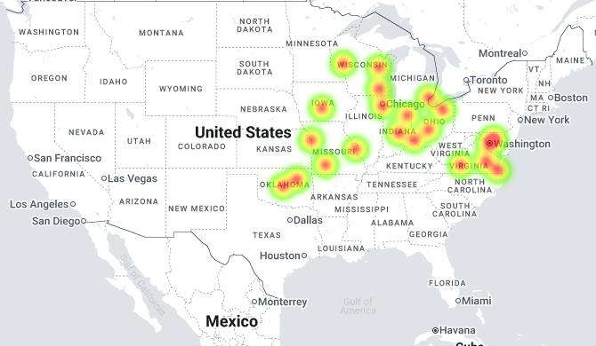
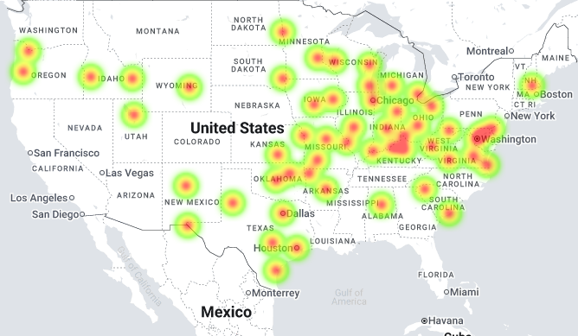
% Change of Student Population by State
 | % Change
AK | 212.50%
AL | 200.00%
AR | 660.00%
AZ
CA
CO | 100.00%
CT
DE | 700.00%
FL | 1011.11%
GA
HI | 122.22%
IA | 50.00%
ID | 266.67%
IL | 52.00%
IN | 650.00%
KS | 614.29%
KY
LA
MA | 109.09%
MD | 23.00%
ME | 100.00%
MI | 149.45%
MN | 68.75%
MO | 83.33%
MS
MT | 409.00%
NC
ND | 250.00%
NE
NH | 100.00%
NJ | 150.00%
NM | 200.00%
NV | 0.00%
NY
OH | 254.00%
OK | 800.00%
OR
PA | 500.00%
RI
SC | 7.50%
SD | 775.76%
TN
TX | 2000.00%
UT | 650.00%
VA | 97.37%
VT | 100.00%
WA
WI | 400.00%
WV | 400.00%
WY

Change of Student Population by State
 | January-24 | January-25
AK | 8 | 25
AL | 20 | 60
AR | 5 | 38
AZ
CA |  | 2
CO | 10 | 20
CT
DE | 10 | 80
FL | 9 | 100
GA
HI | 36 | 80
IA | 12 | 18
ID | 6 | 22
IL | 300 | 456
IN | 20 | 150
KS | 7 | 50
KY |  | 22
LA
MA | 22 | 46
MD | 100 | 123
ME | 100 | 200
MI | 91 | 227
MN | 32 | 54
MO | 60 | 110
MS
MT | 100 | 509
NC |  | 2
ND | 2 | 7
NE
NH | 5 | 10
NJ | 2 | 5
NM | 2 | 6
NV | 1 | 1
NY
OH | 50 | 177
OK | 20 | 180
OR
PA | 100 | 600
RI
SC | 80 | 86
SD | 33 | 289
TN
TX | 5 | 105
UT | 4 | 30
VA | 152 | 300
VT | 2 | 4
WA
WI | 20 | 100
WV | 10 | 50
WY
 | Closest Hub Average Mile
Jan-24 | 123.70
Jan-25 | 35.90

* Note: The May 2024 report included only students enrolled in the current and future session. They May 2025 report includes students enrolled in previous, current , and future session.

